Q1) Budget
Constraint Type 3 : Limitation of Budget (B)

Step 1) |  |  | A | B | C
Input the demand for Item A & B | Annual demand D |  | 1000 | 1000 | 2000 |  | i (optional) | 0.2
 | Order cost K |  | 50 | 50 | 50
 | Unit Price c |  | 50 | 20 | 80
 | Holding cost (h) |  | 10 | 4 | 16

 | Limitation of budget(B) ($) |  | 15000

Step 2) | EOQ A | 100
Find EOQ & n of each Item | EOQ B | 158.11388301
 | EOQc | 111.80339887

 | w A | 5000 |  | Total Budget: |  | 17106.54957
 | w B | 3162.2776602
 | Wc | 8944.27191

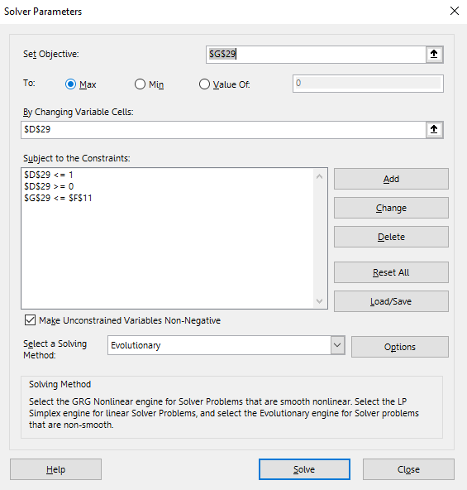
Step 3) | Violent the constraint : |  | TRUE
Check Constrain

 | λ | Q* a | Q* b | Q*c | Budget used |  |  |  | Find the best λ
 | 0.030059082106 | 87.685878554 | 138.64354743 | 98.035792557 | 15000.028281

Step 4) | Q* a | 87.685878554
Find Qa* Qb* | Q* b | 138.64354743

 |  |  |  |  |  |  |  |  |  | In fact, we need to set Qa QB >=0 too

Q2) Space (W)
Constraint Type 2 : Space (W)

Step 1) |  |  | A | B | C | D
Input the demand for Item A & B | Annual demand D |  | 1000 | 5000 | 10000 | 8000 |  | i (optional) | 0.1
 | Order cost K |  | 6 | 10 | 10 | 8
 | Unit Price c |  | 10 | 3 | 5 | 2
 | Holding cost (h) |  | 1 | 0.3 | 0.5 | 0.2
 | Storage space (w) required (sq ft/unit) |  | 5 | 1 | 1 | 1.5

 | Space limitation (W) (sq ft/unit) |  | 15000

Step 2) | EOQ A | 109.5445115
Find EOQ & n of each Item | EOQ B | 577.35026919
 | EOQ c | 632.45553203
 | EOQ d | 800

 | w A | 547.72255751 |  | Total Space: |  |  | 2957.5283587
 | w B | 577.35026919
 | W c | 632.45553203
 | Wd | 1200

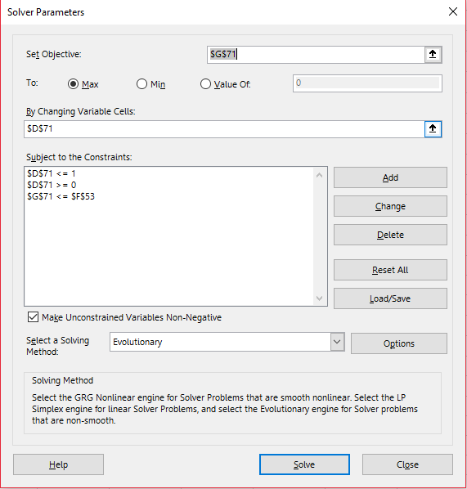
Step 3) | Violent the constraint : |  | FALSE
Check Constrain

 | λ | Q* a | Q* b | Q*c | Space Required
 | 0.33438746404 | 52.559591513 | 321.28359792 |  | 584.08155548 |  |  |  |  | Find the best λ

Step 4) | Q* a | 109.5445115
Find Qa*, Qb* | Q* b | 577.35026919

 |  |  |  |  |  |  |  |  |  |  | In fact, we need to set Qa QB >=0 too

Q5.3)Tailored Aggregation
Option 3 : Tailored aggregation

Step 0) |  |  | A | B | C
Input the demand for Item A & B | Annual demand D |  | 10000 | 7000 | 500 | i (optional) | 0.2
 | Unit Price c |  | 50 | 25 | 10
 | Holding cost per unit h |  | 10 | 5 | 2
 | Common Ordering cost K |  |  | 800
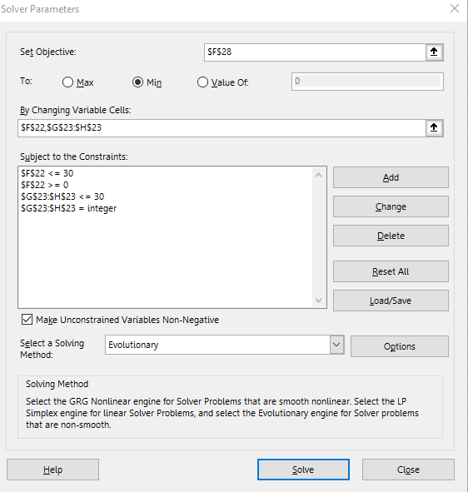
 | Individual Ordering cost |  | 100 | 150 | 200
 | Ordering cost (k) |  |  | 1250

Step 1) | icⱼDⱼ/(2(S+sⱼ)) |  | 55.555555556 | 18.421052632 | 0.5
for each product j, calculatei cⱼDⱼ/(2(S+sⱼ))
and choose the item that yields the |  | so, product 1 = | A
largest value to be item 1

Step 2) | Qⱼ |  | 1247.8551636 | 873.49861452 | 62.39275818
. Find the optimal n₁ and mⱼ | n₁ |  | 8.0137505471
. Which give the lowest AIC | mⱼ |  | 1 | 1 | 5

Note: mⱼ >= 0, n₁ = integer

Result: | AIC |  | 7040.6508727 | 3385.8091184 | 632.51381278
AIC | Total AIC + Total Common ordering cost |  | 17469.974242
 | ATC |  | 507040.65087 | 178385.80912 | 5632.5138128
 | Total ATC |  | 691058.9738

 |  |  |  |  |  |  |  | Solve for n1 & mj

